Overview
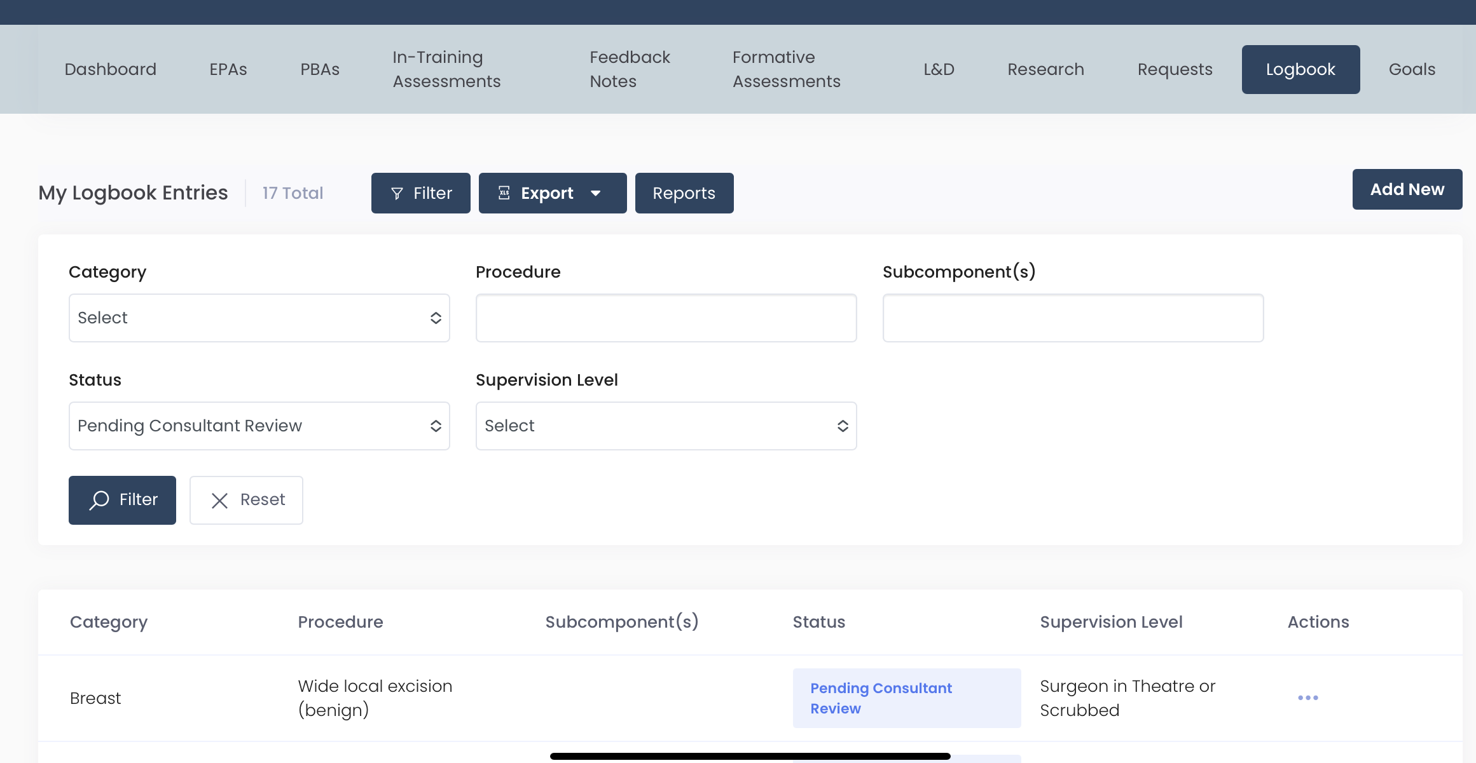
ccv
cc
cc
cc
Provisional Logbook Points Calculator
I put this together utilising the data available from the logbook. This is a beta version. I hope this saves you some time for calculating your provisional points. Follow the steps below. Contact me on gsetpointscalculator@gmail.com should anything be broken and I'll fix it and release a new version. EC.
Step 1
Goto logbook on TIMS

Step 2
Click 'filter' at the top

Step 3
Select Status Pending Consultant Review

Step 4
Click the 'filter' button below 'Status'

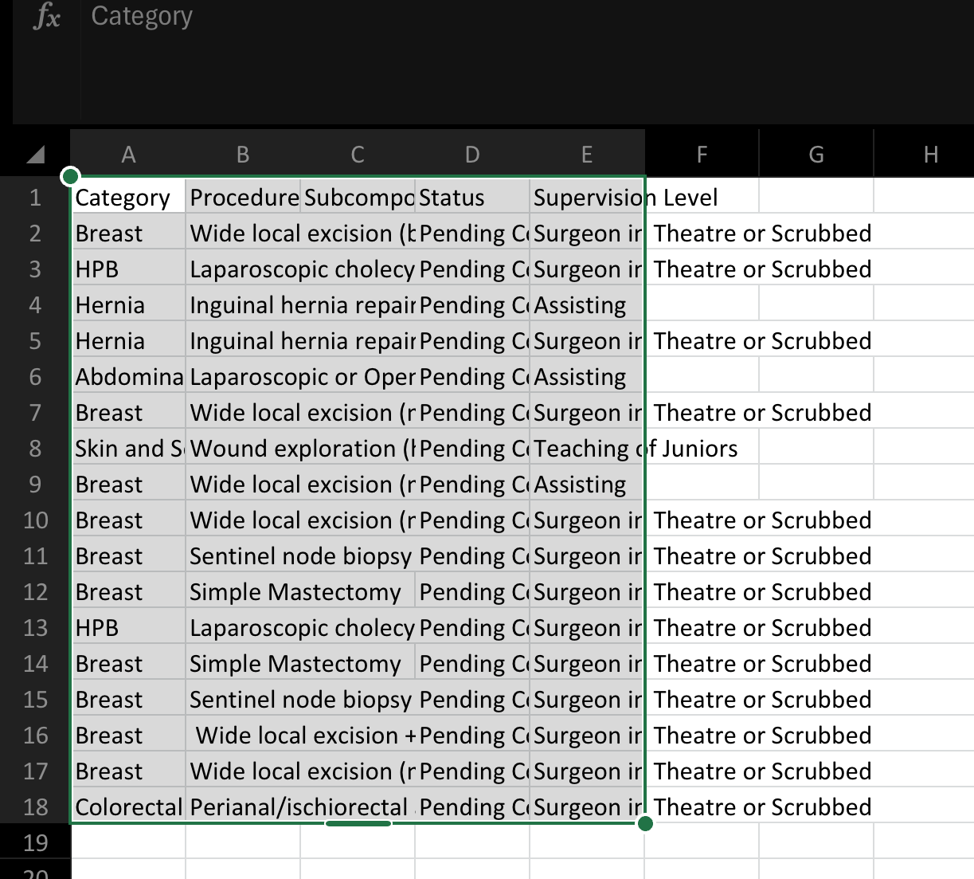
Step 5
Select Export, then select 'All'

Step 6
Download this and open the file as an excel file.

Step 7
Select and copy the entire table (Columns A —> E), and paste in 'Paste Table here' tab below where directed

TROUBLESHOOTING
Unfortunately there is a slight mismatch between GSA logbook and TIMS data. If a "VALUE" error occurs for a particular procedure, copy both the procedure and subcomponent information into the 'Data' sheet for the corresponding procedure. I will continue to identify errors and update the Data sheet in future versions. Please email me if you identify a particular procedure with an invalid entry and I will repair it for future versions.

